State Transition Diagram
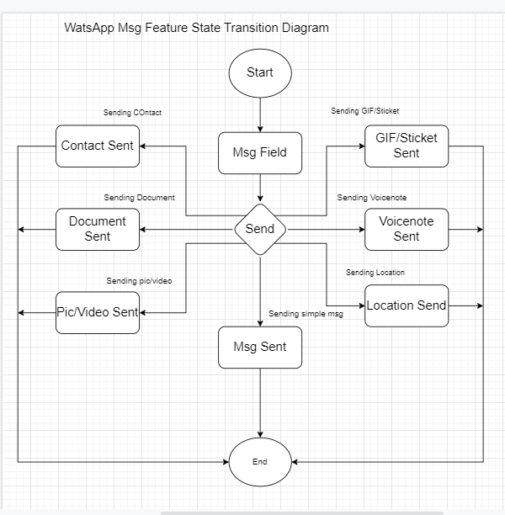

State Transition Diagram of the WhatsApp Chat Field

